leukaemia_all_m17
Acute Lymphoblastic Leukaemia (C91.0): 2015-2017

Average Number of Deaths Per Year and Age-Specific Mortality Rates per 100,000 Population, UK

Age Range | Female Deaths | Male Deaths | Female Rates | Male Rates
0 to 04 | 4 | 5 | 0.2 | 0.3
05 to 09 | 3 | 8 | 0.2 | 0.4
10 to 14 | 3 | 4 | 0.2 | 0.2
15 to 19 | 4 | 8 | 0.2 | 0.4
20 to 24 | 3 | 8 | 0.1 | 0.4
25 to 29 | 2 | 7 | 0.1 | 0.3
30 to 34 | 2 | 5 | 0.1 | 0.2
35 to 39 | 1 | 6 | 0.1 | 0.3
40 to 44 | 3 | 6 | 0.1 | 0.3
45 to 49 | 5 | 8 | 0.2 | 0.3
50 to 54 | 6 | 7 | 0.3 | 0.3
55 to 59 | 7 | 8 | 0.3 | 0.4
60 to 64 | 9 | 9 | 0.5 | 0.5
65 to 69 | 13 | 9 | 0.7 | 0.5
70 to 74 | 10 | 11 | 0.7 | 0.8
75 to 79 | 11 | 10 | 1.0 | 1.0
80 to 84 | 6 | 9 | 0.7 | 1.3
85 to 89 | 4 | 3 | 0.7 | 0.8
90+ | 4 | 2 | 1.1 | 1.4
All Ages | 101 | 133 | 0.3 | 0.4

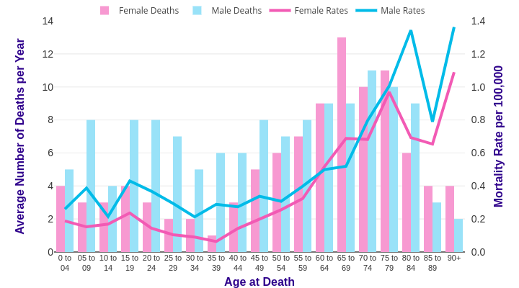

Source: cruk.org/cancerstats

You are welcome to reuse this Cancer Research UK statistics content for your own work.
Credit us as authors by referencing Cancer Research UK as the source.
Suggested style: Cancer Research UK, full URL of the page, Accessed [month] [year].

